Ellesse New
 |  |  |  |  |  |  |  |  |  |  |  |  | XXS-6XL | XXS | XS | SML | MED | LGE | XL | 2XL | 3XL | 4XL | 5XL | 6XL
 |  |  |  |  |  |  |  |  |  |  |  |  | 4-30 USE | 4 | 6 | 8 | 10 | 12 | 14 | 16 | 18 | 20 | 22 | 24 | 26 | 28 | 30
 |  |  |  |  |  |  |  |  |  |  |  |  | 0/6-13/14 | 0/3 | 0/6 | 3/6 | 6/9 | 6/12 | 9/12 | 12/18 | 18/24 | 2/3 | 3/4 | 4/5 | 5/6 | 6/7 | 7/8 | 8/9 | 10/11 | 12/13 | 13/14
 |  |  |  |  |  |  |  |  |  |  |  |  | 36 - 42 EL | 36/3 | 37/4 | 38/5 | 39/6 | 40/6.5 | 41/7 | 42/8 | 43/9
 |  |  |  |  |  |  |  |  |  |  |  |  | 30/32-62/64 | 30/32 | 33/35 | 36/38 | 39/41 | 42/44 | 46/48 | 50/52 | 54/56 | 58/60 | 62/64
Image | Parcel | Product | Product Name | Product Type | Colour | Department | COO | HTS | Composition | Weight | WHS | RRP |  |  |  |  |  |  |  |  |  |  |  |  |  |  |  |  |  |  |  | TOTAL
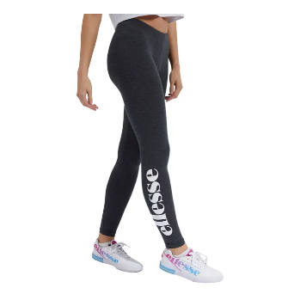 | 3 | SGS04703 | Solos 2 Legging | Legging | Anthracite | Ladies | China | 6104620000 | 95% Cotton / 5% Elastane | 0.201 | £8.80 | £22.00 | 4-30 USE |  | 420 | 549 | 362 | 149 | 258 | 105 | 147 | 43 | 33 |  |  |  |  |  |  |  |  | 2,066
 | 3 | SGS03135 | Solos 2 Legging | Legging | Anthracite | Ladies | China | 6104620000 | 95% Cotton / 5% Elastane | 0.201 | £8.80 | £22.00 | 4-30 USE |  |  |  |  |  | 50 | 21 |  |  |  |  |  |  |  |  |  |  |  | 71
 | 3 | SGM14144 | Chillaid Bikini Top | Multi | Multi | Ladies | China | 6211120000 | 85% Nylon/15% Elastane | 0.112 | £10.00 | £25.00 | 4-30 USE |  | 141 | 319 | 362 | 305 | 119 | 56 |  |  |  |  |  |  |  |  |  |  |  | 1,302
 | 3 | SGM14139 | Assa Bikini Top | Blue | Blue | Ladies | China | 6211120000 | 85% Nylon/15% Elastane | 0.112 | £6.00 | £15.00 | 4-30 USE |  | 131 | 302 | 348 | 297 | 123 | 59 |  |  |  |  |  |  |  |  |  |  |  | 1,260
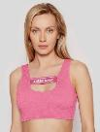 | 3 | SGM14137 | Ekcle Bikini Top | Pink | Pink | Ladies | China | 6211120000 | 85% Nylon/15% Elastane | 0.112 | £8.00 | £20.00 | 4-30 USE |  | 151 | 274 | 339 | 284 | 110 | 56 |  |  |  |  |  |  |  |  |  |  |  | 1,214
 | 3 | SGM14137 | Ekcle Bikini Top | Blue | Blue | Ladies | China | 6211120000 | 85% Nylon/15% Elastane | 0.112 | £8.00 | £20.00 | 4-30 USE |  | 129 | 292 | 322 | 275 | 105 | 55 |  |  |  |  |  |  |  |  |  |  |  | 1,178
 | 3 | SGM14139 | Assa Bikini Top | Pink | Pink | Ladies | China | 6211120000 | 85% Nylon/15% Elastane | 0.112 | £6.00 | £15.00 | 4-30 USE |  | 121 | 268 | 304 | 268 | 100 | 51 |  |  |  |  |  |  |  |  |  |  |  | 1,112
 | 3 | SGM14139 | Assa Bikini Top | Black | Black | Ladies | China | 6211120000 | 85% Nylon/15% Elastane | 0.112 | £6.00 | £15.00 | 4-30 USE |  | 124 | 271 | 329 | 247 | 94 | 56 |  |  |  |  |  |  |  |  |  |  |  | 1,121
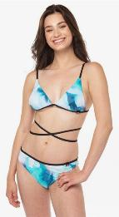 | 3 | SGM14143 | Brew Bikini Top | Multi | Multi | Ladies | China | 6211120000 | 85% Nylon/15% Elastane | 0.112 | £7.20 | £18.00 | 4-30 USE |  | 129 | 251 | 232 | 200 | 82 | 57 |  |  |  |  |  |  |  |  |  |  |  | 951
 | 3 | SGM14145 | Rodrup Bikini Bottom | Multi | Multi | Ladies | China | 6211120000 | 85% Nylon/15% Elastane | 0.112 | £6.00 | £15.00 | 4-30 USE |  | 118 | 214 | 176 | 157 | 60 | 56 |  |  |  |  |  |  |  |  |  |  |  | 781
 | 4 | SZA16929 | Verone T-Shirt And Jog Pant | Jog Suit | Blue Tie Dye | Ladies | India | 6104220000 | 100% Cotton |  | £20.00 | £50.00 | 4-30 USE |  |  | 4 |  |  |  | 1 | 2 | 2 |  |  |  |  |  |  |  |  |  | 9
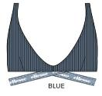 | 3 | SGM14138 | Henda Bikini Top | BIKINI TOP | Blue | Ladies | China | 6211120000 | 85% Nylon/15% Elastane | 0.112 | £8.00 | £20.00 | 4-30 USE |  | 76 | 180 | 195 | 169 | 64 | 27 |  |  |  |  |  |  |  |  |  |  |  | 711
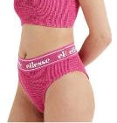 | 3 | SGM14141 | Winooze Bikini Bottom | Bikini Bottom | Pink | Ladies | China | 6211120000 | 85% Nylon/15% Elastane | 0.112 | £6.00 | £15.00 | 4-30 USE |  | 76 | 170 | 187 | 168 | 68 | 25 |  |  |  |  |  |  |  |  |  |  |  | 694
 | 3 | SGM14137 | Ekcle Bikini Top | Bikini Top | Black | Ladies | China | 6211120000 | 85% Nylon/15% Elastane | 0.112 | £8.00 | £20.00 | 4-30 USE |  | 70 | 143 | 155 | 132 | 55 | 25 |  |  |  |  |  |  |  |  |  |  |  | 580
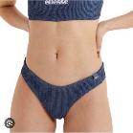 | 3 | SGM14140 | Glare Bikini Bottom | Bikini Bottom | Blue | Ladies | China | 6211120000 | 85% Nylon/15% Elastane | 0.112 | £4.80 | £12.00 | 4-30 USE |  | 58 | 132 | 141 | 126 | 46 | 26 |  |  |  |  |  |  |  |  |  |  |  | 529
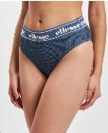 | 3 | SGM14141 | Winooze Bikini Bottom | Bikini Bottom | Blue | Ladies | China | 6211120000 | 85% Nylon/15% Elastane | 0.112 | £6.00 | £15.00 | 4-30 USE |  | 55 | 131 | 145 | 124 | 42 | 23 |  |  |  |  |  |  |  |  |  |  |  | 520
 | 4 | SCN15394 | Balayage Tee | Tee Shirt | Multi | Ladies | China | 6109902000 | 75% Polyester / 25% Elastane |  | £14.00 | £35.00 | 4-30 USE |  |  | 50 | 82 | 95 | 91 | 48 |  |  |  |  |  |  |  |  |  |  |  | 366
 | 3 | SGM14138 | Henda Bikini Top | Bikini Top | Pink | Ladies | China | 6211120000 | 85% Nylon/15% Elastane | 0.112 | £8.00 | £20.00 | 4-30 USE |  | 57 | 103 | 101 | 81 | 26 | 23 |  |  |  |  |  |  |  |  |  |  |  | 391
 | 4 | SCN15578 | Dias Short | Short Chino | Navy | Ladies | China | 6204631890 | 90% Recycled Polyester / 10% Elastane |  | £12.00 | £30.00 | 4-30 USE |  |  | 39 | 61 | 62 | 54 | 28 |  |  |  |  |  |  |  |  |  |  |  | 244
 | 4 | SCN15393 | Tinta Vest | Vest Top | Multi | Ladies | China | 6109902000 | 75% Polyester / 25% Elastane |  | £12.00 | £30.00 | 4-30 USE |  |  | 46 | 89 | 84 | 50 | 38 |  |  |  |  |  |  |  |  |  |  |  | 307
 | 3 | SGM14140 | Glare Bikini Bottom | Pink | Ladies | Ladies | China | 6211120000 | 85% Nylon/15% Elastane | 0.112 | £4.80 | £12.00 | 4-30 USE |  | 35 | 54 | 51 | 49 | 13 | 15 |  |  |  |  |  |  |  |  |  |  |  | 217
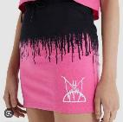 | 4 | SJB14786 | Karic Skirt | Skirt | Pink | Ladies | India | 6104520000 | 95% Cotton / 5% Elastane |  | £10.00 | £25.00 | 4-30 USE |  |  | 3 | 10 | 40 | 22 |  |  |  |  |  |  |  |  |  |  |  |  | 75
 | 4 | SGJ11881 | Sereta Dress | Dress | Multi | Ladies | China | 6104420000 | 95% Cotton / 5% Elastane |  | £14.00 | £35.00 | 4-30 USE |  |  |  | 73 |  |  |  |  |  |  |  |  |  |  |  |  |  |  | 73
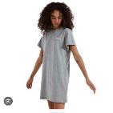 | 4 | SGM14191 | Adore Dress | Dress | Grey Marl | Ladies | China | 6104420000 | 100% Cotton |  | £10.00 | £25.00 | 4-30 USE |  | 8 | 15 | 16 | 13 | 3 |  |  |  |  |  |  |  |  |  |  |  |  | 55
 | 4 | SGM04451 | Pemadula Legging | Legging | Purple | Ladies | India | 6104620000 | 95% Cotton / 5% Elastane |  | £8.00 | £20.00 | 4-30 USE |  | 3 | 6 | 17 | 5 | 4 | 2 |  |  |  |  |  |  |  |  |  |  |  | 37
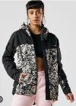 | 4 | SGK12465 | Foret Jacket | Jacket Windrunner | Camo | Ladies | Pakistan | 6202401091 | 100% Polyester |  | £32.00 | £80.00 | 4-30 USE |  |  |  |  |  | 19 | 11 | 5 |  |  |  |  |  |  |  |  |  |  | 35
 | 4 | SGG08431 | Sandra Legging | Legging | Dark Purple | Ladies | China | 6104620000 | 100% Polyester |  | £10.00 | £25.00 | 4-30 USE |  | 31 |  |  |  |  |  |  |  |  |  |  |  |  |  |  |  |  | 31
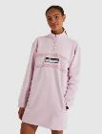 | 4 | SGL13415 | Luciee Dress | Dress | Light Pink | Ladies | India | 6104420000 | 100% Cotton |  | £20.00 | £50.00 | 4-30 USE |  |  | 4 | 2 |  |  | 10 |  | 12 |  |  |  |  |  |  |  |  |  | 28
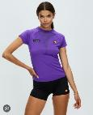 | 4 | SCK12307 | Myrcella Tee | Tee Shirt | Purple | Ladies | China | 6109902000 | 71% Polyamide / 29% Elastane |  | £14.00 | £35.00 | 4-30 USE |  |  | 8 | 4 | 1 | 3 |  |  |  |  |  |  |  |  |  |  |  |  | 16
 | 4 | SRK12299 | Jeyne Legging | Legging | Dark Red | Ladies | China | 6104630000 | 88% Polyester / 12% Elastane |  | £14.00 | £35.00 | 4-30 USE |  | 5 | 4 | 5 | 3 |  |  |  |  |  |  |  |  |  |  |  |  |  | 17
 | 4 | SGM11281 | Solos 2 Tie Dye Legging | Legging | Tie Dye | Ladies | India | 6104620000 | 96% Cotton / 4% Elastane |  | £8.80 | £22.00 | 4-30 USE |  | 3 | 5 | 6 |  | 1 |  |  |  |  |  |  |  |  |  |  |  |  | 15
 | 4 | SGI08061 | Esempio Legging | Legging | Light Blue | Ladies | India | 6104620000 | 95% Cotton / 5% Elastane |  | £10.00 | £25.00 | 4-30 USE |  |  |  | 12 | 2 |  |  |  |  |  |  |  |  |  |  |  |  |  | 14
 | 4 | SGM14170 | Anine Dress | Dress | Green | Ladies | India | 6104420000 | 92% Polyester / 8% Elastane |  | £18.00 | £45.00 | 4-30 USE |  |  |  |  |  | 10 | 3 |  |  |  |  |  |  |  |  |  |  |  | 13
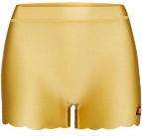 | 4 | SCQ17045 | Joycie Short | Short | Gold | Ladies | China | 6103430000 | 80% Recycled Polyamide / 20% Elastane |  | £8.00 | £20.00 | 4-30 USE |  | 4 | 4 | 4 | 4 | 2 | 1 |  |  |  |  |  |  |  |  |  |  |  | 19
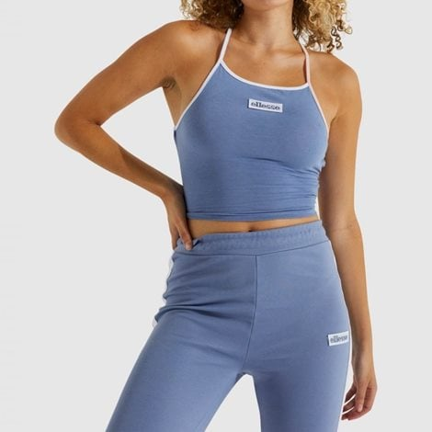 | 4 | SGN15171 | Elevato Crop Vest | Vest Cropped | Blue | Ladies | China | 6109100090 | 92% Cotton / 8% Elastane |  | £8.80 | £22.00 | 4-30 USE |  |  | 2 | 2 | 5 | 1 |  |  |  |  |  |  |  |  |  |  |  |  | 10
 | 4 | SGM14193 | Adore Tie Dye Dress | Dress | Tie Dye | Ladies | India | 6104420000 | 100% Cotton |  | £12.00 | £30.00 | 4-30 USE | 0 |  |  | 2 | 1 | 1 | 2 | 0 | 0 | 0 | 0 | 0 | 0 | 0 | 0 | 0 | 0 | 0 | 6
 | 4 | SGR17967 | Drelono Dress | Dress | Light Pink | Ladies | China | 6104430000 | 95% Polyester / 5% Elastane |  | £18.00 | £45.00 | 4-30 USE | 0 | 0 | 1 | 0 | 0 | 0 | 4 | 0 | 0 | 0 | 0 | 0 | 0 | 0 | 0 | 0 | 0 | 0 | 5
 |  |  |  |  |  |  |  |  |  |  |  |  |  |  |  |  |  |  |  |  |  |  |  |  |  |  |  |  |  |  |  | 16,073

